Page Layout
Project Name |  |  |  | Wow tasty |  | User Type |  |  |  |  | User |  |  |  | Writer | Hak Choi
Phase |  |  |  | Requirements programing design |  | Page Name |  |  |  |  | Home |  |  |  | Date | 11/19/2012

 | 1. Page layout

 |  | 1 ) layout
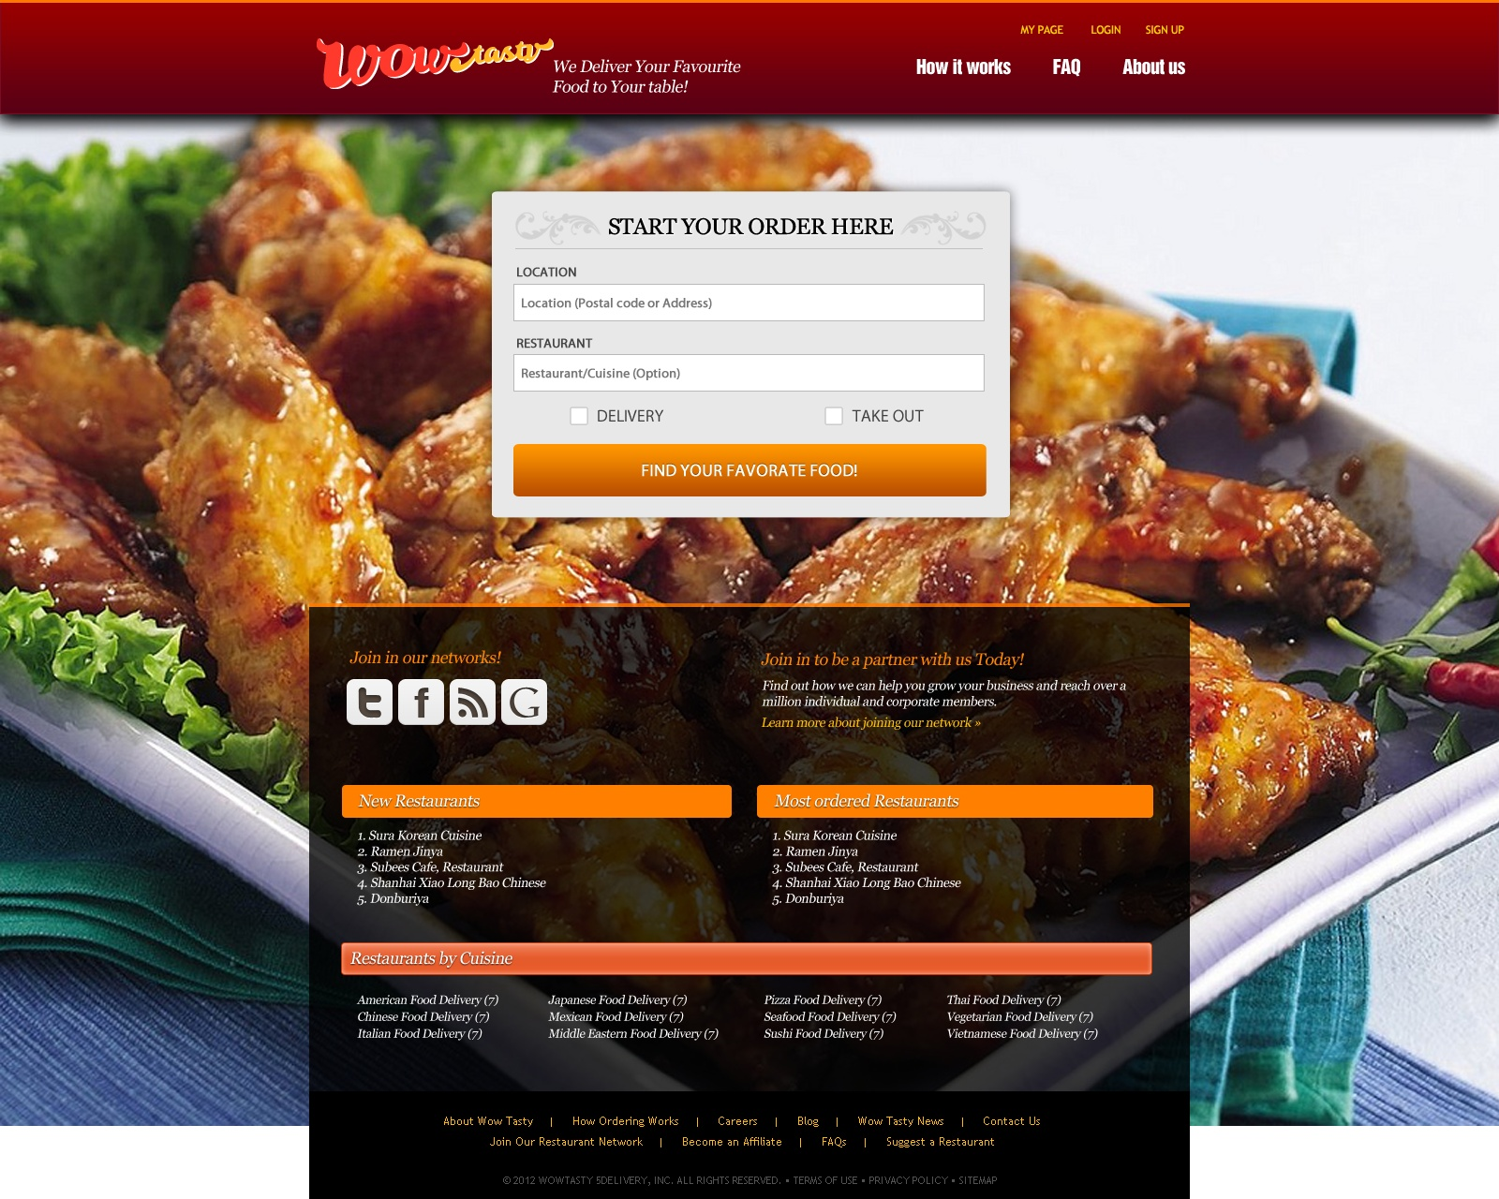

 |  | 2) Field list

 |  | No. | Name |  | Controller |  | Len | Align |  | Default |  | Note
 |  | 1 | Location(Postal code or Address) |  | Label |  | 100 |  |  | Blank |  | Trim. While writing, show related address in Canada usign address autocomplete with google places API
 |  | 2 | Restaurant/Cuisine(Option) |  | Label |  | 100 |  |  | Blank |  | Trim. While writing, search restaurant's keyword with inputted keyword
 |  | 3 | Delivery/Take-out |  | Radio button |  |  |  |  | Delivery
 |  | 4 | Find your favorate food |  | Button
 |  | 5 | Join Our Networks |  | Link
 |  | 6 | Join partnership |  | Link
 |  | 7 | New Restaurants |  | Link |  |  |  |  |  |  | 5 New restaurants searched by registerdate
 |  | 8 | Most Ordered Restaurants |  | Link |  |  |  |  |  |  | 5 most ordered restaurants searched by totalordercnt
 |  | 9 | Restaurant by Cuisine |  | Link

 |  | 3) Validation list

 |  | - Unit validation
 |  | No. | Name |  | Required | Type |  |  | Other |  |  |  |  | Error Message
 |  | 1 | Location(Postal code or Address) |  | Yes | - |  |  |  |  |  |  |  | E0001

 |  | - Correlation validation
 |  | No. | Condition |  | Field |  |  |  |  |  | Required |  | Other | Error message

Page Transition
Project Name |  |  |  | Wow tasty |  |  | User Type |  | User |  |  |  | Writer |  | Hak Choi
Phase |  |  |  | Requirements programing design |  |  | Page Name |  | Home |  |  |  | Date |  | 11/19/2012

 | 2. Page Transition

 |  | 1) Event List

 |  | No. | Name |  |  | Event |  | Condition |  |  | Destination page
 |  | 1 | Find your favorate food |  |  | Click |  | Validation OK |  |  | [Search Restraunt] page
 |  | 2 |  |  |  |  |  | Validation Error |  |  | Show [Select City] layer
 |  | 3 | Join Our Networks |  |  | Click |  |  |  |  | Each social network
 |  | 4 | Join Partnership |  |  | Click |  |  |  |  | [Restraunt User Main] page
 |  | 5 | New Restaurants |  |  | Click |  |  |  |  | [Restaurant Menu] page
 |  | 6 | Most Ordered Restaurants |  |  | Click |  |  |  |  | [Restaurant Menu] page
 |  | 7 | Restaurant by Cuisine |  |  | Click |  |  |  |  | [Search Restraunt] page

 |  | 2) Page Transition |  |  |  |  |  |  |  |  |  |  |  | page |  | layer

5,6
1,7
 |  |  |  | Restaurant Menu |  |  |  | Home page |  |  |  | Search Restaurant

4
2

 |  |  |  |  | Restraunt User Main |  |  |  |  | Select City

